information
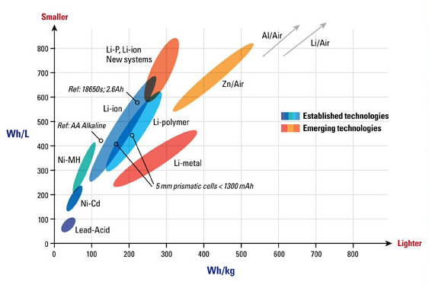

reference | http://homework.uoregon.edu/pub/class/350/out350/storage.html

